Details
Project Gantt. 4
Data Sheet4
Advanced Templates4
Excel Project Management Template with Gantt Schedule Creation
Free Download Excel Project Schedule Templates created for Excel 2007 and Above

Info | Free Excel Project Management Template with Gantt Schedule Creation, helps you to manage your projects, resource and timelines accurately. You can customize this template to meet your needs. |  | Please Note: We have protected the worksheets to avoid the mistakes by chance. You can use the password 'PNRao' to unprotect the Worksheets

Usage | We start schedule our projects after initial meetings and agreement. We manage our resource and timelines based on the requirements, deliverables and avaialble team and bandwidth. This Excel Project Management Template with Gantt Schedule Creation helps to track all the tasks and its progress and status of each task. You can daily update the templates and share with your teams and customer/stakeholders to update the project status and progress. This is the must have tool for every project.

Please Share | Excel Project Management Template with Gantt Schedule Creation is a Free and lite version of ANALYSISTABS' Project Management Templates. Please feel free to use, modify and share with your coleagues. | Please check our Premium Templates Bundle, all you need for effective project planning, management and presentations. Our premium templates are professional, powerfull, easy to customize and unique in style. Please visit analysistabs.com and grab our powerfull templates for nominal cost.

Please Let us know your feedback |  |  |  | info@analysistabs.com
Templates By ANALYSISTABS.For more templates and tools, please visit us: |  |  |  | htps://analysistabs.com
Premium Templates
Visit Our BLOG
ANALYSISTABS.COM

Gantt Scheduler
Please Select a Project to View Related Tasks & Gantt. |  |  |  | 4 | All Projects
 | Project Schedules |  |  | Tasks Scrool | TaskS | 2016-02-12 | 2016-02-13 | 2016-02-14 | 2016-02-15 | 2016-02-16 | 2016-02-17 | 2016-02-18 | 2016-02-19 | 2016-02-20 | 2016-02-21 | 2016-02-22 | 2016-02-23 | 2016-02-24 | 2016-02-25 | 2016-02-26 | 2016-02-27
Project Name |  | All Projects |  |  | M0. Kick off - Benchmarking and project requirement analysis
55%
Project Manager |  | Your Name |  |  | Task 2
 |  |  |  |  | Task 3
 |  |  |  |  | Task 4
Start Date |  | 12-Feb-2016 |  |  | Task 5
End Date |  | 12-Mar-2016 |  |  | Task 6
Overall Progress |  | 55% |  |  | Task 7
 |  | 45% |  |  | Task 8
Task Grid
Gantt Chart
Days Required 6 |  |  |  |  | Task 9
29 days |  |  |  |  | Task 10
532 ManDays |  |  |  |  | Task 11
 |  |  |  |  | Task 12
Gantt. Scroll |  |  | 0 |  | Task 13
 |  |  |  |  | Task 14
Total Tasks | 80 | Remarks |  |  | Task 15
Not Started(0%) | 2 |  |  |  | Task 16
Inprogress(1-99%) | 58 |  |  |  | Task 17
1-25% | 11 |  |  |  | Task 18
26-50% | 30 |  |  |  | Task 19
51-75% | 15 |  |  |  | Task 20
76-99% | 2 |  |  |  | Task 21
Completed(100%) | 20 |  |  |  | Task 22
 |  |  |  |  | Task 23
 |  |  |  |  | Task 24
Project Gantt. Template By: |  | https://analysistabs.com | PNRao |  | Task 25
Please let us know your feedback | Email: info@analysistabs.com

Projects Schedules
Projects Progress
 | %Progress | Remaining
All Projects | 55% | 45%
M0. Kick off - Benchmarking and project requirement analysis | 0% | 0%
M1. Functional Requirement Specification (Project Requirement Document) | 0% | 0%
M2 | 0% | 0%
M3 | 0% | 0%
M4 | 0% | 0%
M5 | 0% | 0%
M6 | 0% | 0%
M7 | 0% | 0%
M8 | 0% | 0%
M9
M10
M11
M12
M13
M14
M15
M16
M17
M18
Project 10 | 34% | 66%
Projects | Tasks | Start | End | Days | %Progress | Remaining
All Projects | 80 | 2016-02-12 | 2016-03-12 | 532 | 55% | 45%
M0. Kick off - Benchmarking and project requirement analysis | 0 | 0 | 0 | 0 | #DIV/0!
M1. Functional Requirement Specification (Project Requirement Document) | 0 | 0 | 0 | 0 | #DIV/0!
M2 | 0 | 0 | 0 | 0 | #DIV/0!
M3 | 0 | 0 | 0 | 0 | #DIV/0!
M4 | 0 | 0 | 0 | 0 | #DIV/0!
M5 | 0 | 0 | 0 | 0 | #DIV/0!
M6 | 0 | 0 | 0 | 0 | #DIV/0!
M7 | 0 | 0 | 0 | 0 | #DIV/0!
M8 | 0 | 0 | 0 | 0 | #DIV/0!
M9
M10
M11
M12
M13
M14
M15
M16
M17
M18
Project 10 | 8 | 2016-02-19 | 2016-03-11 | 55 | 34% | 66%

Advanced Project Plan Template
Ultimate Project Plan Advanced Excel Template
The Most Powerful Project Planning Template on the Market
View Details 4

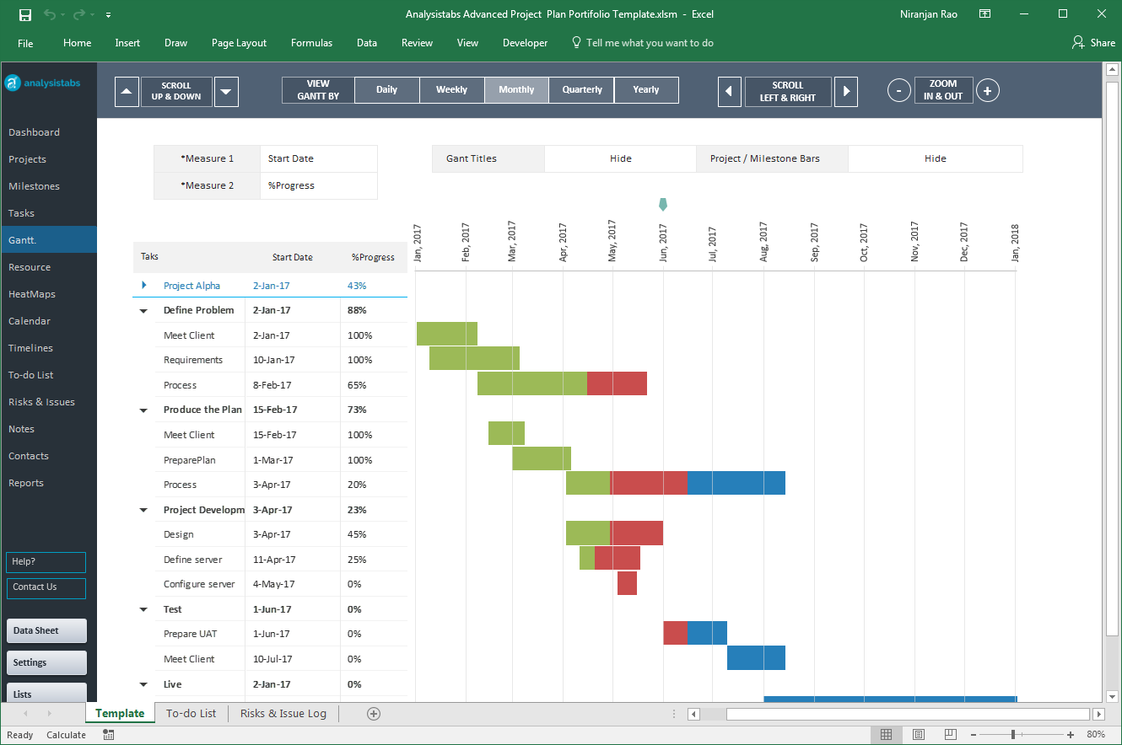

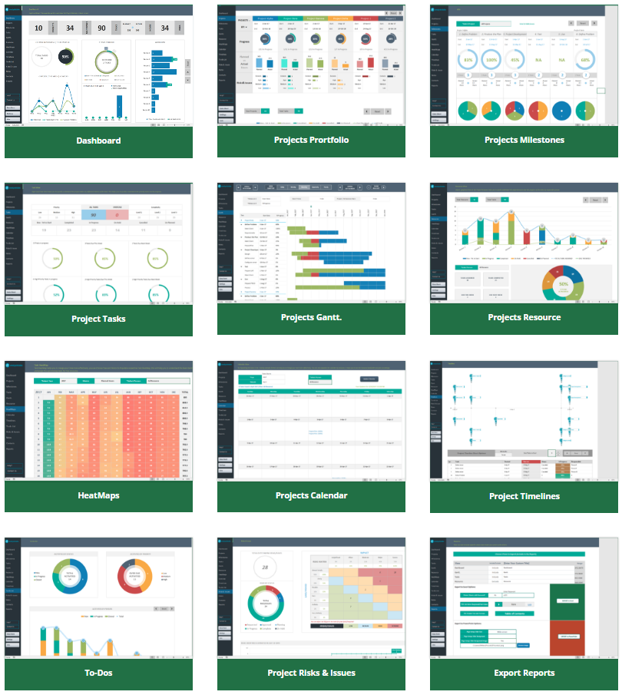

Our Most Popular Project Management Templates
Excel Templates | PowerPoint Templates | MS Word Templates
Browse All Templates4

